Load bearing values_RICON_EN
Table for load-bearing capacity of KNAPP® RICON® according to ETA 10-0189 (Edition 10/2019)

 |  |  |  |  |  |  | Version 3: |  | 2019-11-20
RICON® carbon steel:
Load-bearing values for insertion direction F2 |  |  | Wood type: |  | GL24h |  | Glued laminated timber - homogeneous
 |  |  | Service class: |  | 1 |  | Indoor

Knapp connectors | Min. joint cross | Characteristic values [kN] |  | F2,KKC,Rd gM =1,0 | Design values F2,Rd for GL24h [kN] |  |  |  |  | gM =1,3
Carbon steel | section [mm] | F2,KKC,RK | F2,Rk |  | kmod =0.60 | kmod =0.70 | kmod =0.80 | kmod =0.90 | kmod =1.00 | kmod =1.10
RICON® 60/40 H: 1xCS8x50, 2xCS5x50 J: 1xCS8x80, 2xCS5x80 | 50/80 50/100* | 6.0 | 5.0 | 6.0 | 2.3 | 2.7 | 3.1 | 3.5 | 3.9 | 4.2
RICON® 80/40 H: 2xCS8x50, 2xCS5x50 J: 2xCS8x80, 2xCS5x80 | 50/100 50/120* | 11.0 | 7.3 | 11.0 | 3.4 | 3.9 | 4.5 | 5.1 | 5.6 | 6.2
RICON® 100/40 H: 2xCS8x50, 4xCS5x50 J: 2xCS8x80, 4xCS5x82 | 50/120 50/140* | 14.0 | 10.0 | 14.0 | 4.6 | 5.4 | 6.2 | 6.9 | 7.7 | 8.5
RICON® 120/40 H: 2xCS8x50, 6xCS5x50 J: 2xCS8x80, 6xCS5x80 | 50/140 50/160* | 18.0 | 12.8 | 18.0 | 5.9 | 6.9 | 7.8 | 8.8 | 9.8 | 10.8
RICON® 140/40 H: 2xCS8x50, 8xCS5x50 J: 2xCS8x80, 8xCS5x80 | 50/160 50/180* | 18.0 | 15.5 | 18.0 | 7.1 | 8.3 | 9.5 | 10.7 | 11.9 | 13.1
RICON® 160/40 H: 2xCS8x50, 10xCS5x50 J: 2xCS8x80, 10xCS5x80 | 50/180 50/200* | 18.0 | 18.2 | 18.0 | 8.4 | 9.8 | 11.2 | 12.6 | 14.0 | 15.4
RICON® 100/40 SL H: 2xCS8x50, 4xCS5x50 J: 2xCS8x160, 4xCS5x80 | 50/120 50/140* | 14.0 | 13.9 | 14.0 | 6.4 | 7.5 | 8.5 | 9.6 | 10.7 | 11.7
RICON® 120/40 SL H: 2xCS8x50, 6xCS5x50 J: 2xCS8x160, 6xCS5x80 | 50/140 50/160* | 18.0 | 16.6 | 18.0 | 7.7 | 8.9 | 10.2 | 11.5 | 12.8 | 14.0
RICON® 140/40 SL H: 2xCS8x50, 8xCS5x50 J: 2xCS8x160, 8xCS5x80 | 50/160 50/180* | 18.0 | 19.3 | 18.0 | 8.9 | 10.4 | 11.9 | 13.4 | 14.9 | 16.3
RICON® 160/40 SL H: 2xCS8x50, 10xCS5x50 J: 2xCS8x160, 10xCS5x80 | 50/180 50/200* | 18.0 | 22.0 | 18.0 | 10.2 | 11.9 | 13.6 | 15.3 | 17.0 | 18.0
Double RICON® 80/40 H: 3xCS8x50, 4xCS5x50 J: 3xCS8x80, 4xCS5x80 | 50/180 50/200* | 11.0 | 12.3 | 11.0 | 5.7 | 6.6 | 7.6 | 8.5 | 9.5 | 10.4
Double RICON® 100/40 H: 3xCS8x50, 8xCS5x50 J: 3xCS8x80, 8xCS5x80 | 50/220* | 14.0 | 17.8 | 14.0 | 8.2 | 9.6 | 10.9 | 12.3 | 13.7 | 14.0
Double RICON® 120/40 H: 3xCS8x50, 12xCS5x50 J: 3xCS8x80, 12xCS5x80 | 50/260* | 18.0 | 23.2 | 18.0 | 10.7 | 12.5 | 14.3 | 16.1 | 17.9 | 18.0
Double RICON® 140/40 H: 3xCS8x50, 16xCS5x50 J: 3xCS8x80, 16xCS5x80 | 50/300* | 18.0 | 28.7 | 18.0 | 13.2 | 15.4 | 17.6 | 18.0 | 18.0 | 18.0
Double RICON® 160/40 H: 3xCS8x50, 20xCS5x50 J: 3xCS8x80, 20xCS5x80 | 50/340* | 18.0 | 34.1 | 18.0 | 15.8 | 18.0 | 18.0 | 18.0 | 18.0 | 18.0

RICON® stainless steel:
Load-bearing values for insertion direction F2 |  |  | Wood type: |  | GL24h |  | Glued laminated timber - homogeneous
 |  |  | Service class: |  | 1 |  | Indoor

Knapp Connector | Min. joint cross | Characteristic values [kN] |  | F2,KKC,Rd gM =1,0 | Design values F2,Rd for GL24h [kN] |  |  |  |  | gM =1,3
Stainless steel | section [mm] | F2,KKC,RK | F2,Rk |  | kmod =0.60 | kmod =0.70 | kmod =0.80 | kmod =0.90 | kmod =1.00 | kmod =1.10
RICON® 80/40 A2 H: 2xCS8x50, 2xCS5x50 J: 2xCS8x80, 2xCS5x80 | 50/100 20/120* | 8.2 | 7.5 | 8.2 | 3.5 | 4.0 | 4.6 | 5.2 | 5.8 | 6.4
RICON® 160/40 A2 H: 2xCS8x50, 10xCS5x50 J: 2xCS8x80, 10xCS5x80 | 50/180 50/200* | 13.4 | 18.9 | 13.4 | 8.7 | 10.2 | 11.6 | 13.1 | 13.4 | 13.4
Double RICON® 80/40 A2 H: 3xCS8x50, 4xCS5x50 J: 3xCS8x80, 4xCS5x80 | 50/180 50/200* | 8.2 | 12.7 | 8.2 | 5.9 | 6.8 | 7.8 | 8.2 | 8.2 | 8.2
Double RICON® 160/40 A2 H: 3xCS8x50, 20xCS5x50 J: 3xCS8x80, 20xCS5x80 | 50/340* | 13.4 | 35.5 | 13.4 | 13.4 | 13.4 | 13.4 | 13.4 | 13.4 | 13.4
RICON® 60/30 A2 H: 1xCS8x50, 2xCS5x50 J: 1xCS8x80, 2xCS5x80 | 50/80 50/100* | 4.5 | 5.2 | 4.5 | 2.4 | 2.8 | 3.2 | 3.6 | 4.0 | 4.4
RICON® 80/30 A2 H: 2xCS8x50, 2xCS5x50 J: 2xCS8x80, 2xCS5x80 | 50/100 20/120* | 8.2 | 7.5 | 8.2 | 3.5 | 4.0 | 4.6 | 5.2 | 5.8 | 6.4
RICON® 100/30 A2 H: 2xCS8x50, 4xCS5x50 J: 2xCS8x80, 4xCS5x80 | 50/120 50/140* | 10.4 | 10.4 | 10.4 | 4.8 | 5.6 | 6.4 | 7.2 | 8.0 | 8.8
RICON® 120/30 A2 H: 2xCS8x50, 6xCS5x50 J: 2xCS8x80, 6xCS5x80 | 50/140 50/160* | 13.4 | 13.2 | 13.4 | 6.1 | 7.1 | 8.1 | 9.1 | 10.2 | 11.2
RICON® 140/30 A2 H: 2xCS8x50, 8xCS5x50 J: 2xCS8x80, 8xCS5x80 | 50/160 50/180* | 13.4 | 16.1 | 13.4 | 7.4 | 8.6 | 9.9 | 11.1 | 12.3 | 13.4
RICON® 160/30 A2 H: 2xCS8x50, 10xCS5x50 J: 2xCS8x80, 10xCS5x80 | 50/180 50/200* | 13.4 | 18.9 | 13.4 | 8.7 | 10.2 | 11.6 | 13.1 | 13.4 | 13.4
Double RICON® 80/30 A2 H: 3xCS8x50, 4xCS5x50 J: 3xCS8x80, 4xCS5x80 | 50/180 50/200* | 8.2 | 12.7 | 8.2 | 5.9 | 6.8 | 7.8 | 8.2 | 8.2 | 8.2
Double RICON® 100/30 A2 H: 3xCS8x50, 8xCS5x50 J: 3xCS8x80, 8xCS5x80 | 50/220* | 10.4 | 18.4 | 10.4 | 8.5 | 9.9 | 10.4 | 10.4 | 10.4 | 10.4
Double RICON® 120/30 A2 H: 3xCS8x50, 12xCS5x50 J: 3xCS8x80, 12xCS5x80 | 50/260* | 13.4 | 24.1 | 13.4 | 11.1 | 13.0 | 13.4 | 13.4 | 13.4 | 13.4
Double RICON® 140/30 A2 H: 3xCS8x50, 16xCS5x50 J: 3xCS8x80, 16xCS5x80 | 50/300* | 13.4 | 29.8 | 13.4 | 13.4 | 13.4 | 13.4 | 13.4 | 13.4 | 13.4
Double RICON® 160/30 A2 H: 3xCS8x50, 20xCS5x50 J: 3xCS8x80, 20xCS5x80 | 50/340* | 13.4 | 35.5 | 13.4 | 13.4 | 13.4 | 13.4 | 13.4 | 13.4 | 13.4
RICON® 70/20 A2 H: 3xCS5x50 J: 3xCS5x80 | 30/90 | 3.7 | 5.1 | 3.7 | 2.3 | 2.7 | 3.1 | 3.5 | 3.7 | 3.7
RICON® 66/16 A2 H: 3xCS5x50 J: 3xCS5x80 | 30/86 | 3.7 | 5.1 | 3.7 | 2.3 | 2.7 | 3.1 | 3.5 | 3.7 | 3.7
RICON® carbon steel: |  | Eccentric glass load up to 53 mm glass thickness
Load-bearing values |  |  | Wood type: |  | GL24h |  | Glued laminated timber - homogenous
perpendicular to the insertion direction F4 |  |  | Service class: |  | 1 |  | Indoor
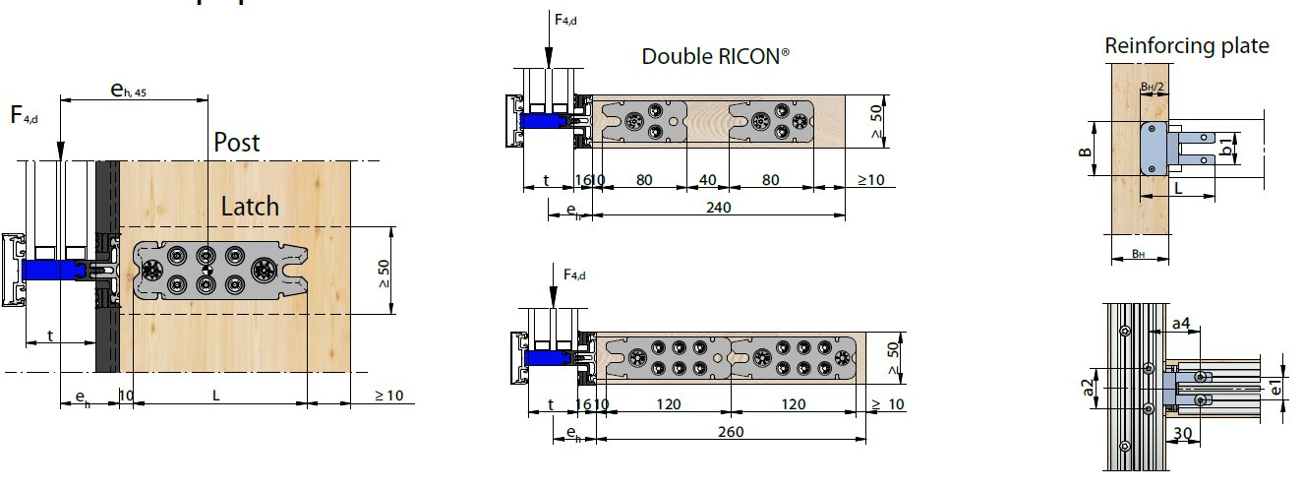

Knapp Connector | Min. joint cross section [mm] | Characteristic values [kN] |  | Design values F2,Rd for GL24h [kN] |  |  | gM =1,3 | Total glass load per beam [kg]
Carbon steel |  | without RP | with RP | without RP |  | with RP |  | without RP | wtíth RP
 |  | F4,Rk,eccentric | F4,Rk,eccentric | kmod =0.60 | kmod =0.90 | kmod =0.60 | kmod =0.90
RICON® 60/40 H: 1xCS8x50, 2xCS5x50 J: 1xCS8x80, 2xCS5x80 | 80/50 | 0.7 | 4.7 | 0.3 | 0.5 | 2.2 | 3.2 | 47 | 320
RICON® 80/40 H: 2xCS8x50, 2xCS5x50 J: 2xCS8x80, 2xCS5x80 | 100/50 | 0.9 | 4.9 | 0.4 | 0.6 | 2.3 | 3.4 | 64 | 337
RICON® 100/40 H: 2xCS8x50, 4xCS5x50 J: 2xCS8x80, 4xCS5x82 | 120/50 | 1.5 | 5.5 | 0.7 | 1.0 | 2.5 | 3.8 | 102 | 376
RICON® 120/40 H: 2xCS8x50, 6xCS5x50 J: 2xCS8x80, 6xCS5x80 | 140/50 | 2.1 | 6.1 | 1.0 | 1.4 | 2.8 | 4.2 | 142 | 415
RICON® 140/40 H: 2xCS8x50, 8xCS5x50 J: 2xCS8x80, 8xCS5x80 | 160/50 | 2.7 | 6.7 | 1.2 | 1.9 | 3.1 | 4.6 | 183 | 457
RICON® 160/40 H: 2xCS8x50, 10xCS5x50 J: 2xCS8x80, 10xCS5x80 | 180/50 | 3.3 | 7.3 | 1.5 | 2.3 | 3.4 | 5.1 | 227 | 501
RICON® 100/40 SL H: 2xSK8x50, 4xSK5x50 J: 2xSK8x160, 4xSK5x80 | 120/50 | 2.3 | 6.3 | 1.1 | 1.6 | 2.9 | 4.4 | 157 | 430
RICON® 120/40 SL H: 2xSK8x50, 6xSK5x50 J: 2xSK8x160, 6xSK5x80 | 140/50 | 3.2 | 7.2 | 1.5 | 2.2 | 3.3 | 5.0 | 217 | 491
RICON® 140/40 SL H: 2xCS8x80, 8xCS5x80 J: 2xCS8x160, 8xCS5x80 | 160/50 | 4.1 | 8.1 | 1.9 | 2.8 | 3.7 | 5.6 | 281 | 555
RICON® 160/40 SL H: 2xCS8x80, 10xCS5x80 J: 2xCS8x160, 10xCS5x80 | 180/50 | 5.1 | 9.1 | 2.4 | 3.5 | 4.2 | 6.3 | 349 | 623
Double RICON® 80/40 H: 3xCS8x50, 4xCS5x50 J: 3xCS8x80, 4xCS5x80 | 50/180 | 2.8 | 6.8 | 1.3 | 2.0 | 3.2 | 4.7 | 195 | 468
Double RICON® 100/40 H: 3xCS8x50, 8xCS5x50 J: 3xCS8x80, 8xCS5x80 | 50/220 | 4.3 | 8.3 | 2.0 | 3.0 | 3.8 | 5.7 | 292 | 566
Double RICON® 120/40 H: 3xCS8x50, 12xCS5x50 J: 3xCS8x80, 12xCS5x80 | 50/260 | 5.6 | 9.6 | 2.6 | 3.9 | 4.4 | 6.7 | 385 | 659
Double RICON® 140/40 H: 3xCS8x50, 16xCS5x50 J: 3xCS8x80, 16xCS5x80 | 50/300 | 5.1 | 9.1 | 2.4 | 3.5 | 4.2 | 6.3 | 350 | 623
Double RICON® 160/40 H: 3xCS8x50; 20xCS5x50 J: 3xCS8x80; 20xCS5x80 | 50/340 | 4.7 | 8.7 | 2.2 | 3.2 | 4.0 | 6.0 | 320 | 594

Load bearing values_RICON-S_EN
Table for load-bearing capacity of KNAPP® RICON® S according to ETA 10-0189 (Edition 10/2019)

 |  |  |  |  |  |  | Version 3: |  | 2019-11-20
RICON® S EK: (RICON® S with retaining screw collar bolt)
Load-bearing values for insertion direction F2 |  |  | Wood type: | GL24h |  | Glued laminated timber - homogeneous
 |  |  | Service class: | 1 |  | Indoor
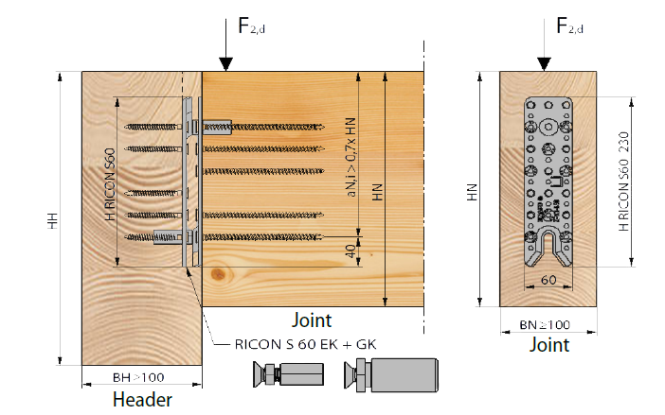

Knapp Connector | Min. joint cross | Characteristic values [kN] |  | F2,KKC,Rd gM =1,0 | Design values F2,Rd for GL24h [kN] |  |  |  |  | gM =1,3
 | section [mm] | F2,KKC,RK | F2,Rk |  | kmod =0.60 | kmod =0.70 | kmod =0.80 | kmod =0.90 | kmod =1.00 | kmod =1.10
RICON® S 140/60 EK min H: 10xCS8x80 J: 10xCS8x160 | 100/160 | 34.0 | 37.1 | 34.0 | 17.1 | 20.0 | 22.9 | 25.7 | 28.6 | 31.4
RICON® S 140/60 EK max H: 10xCS8x80 J: 10xCS8x240 | 100/260 120/220 | 34.0 | 40.2 | 34.0 | 18.5 | 21.6 | 24.7 | 27.8 | 30.9 | 34.0
RICON® S 200/60 EK min H: 16xCS8x80 J: 16xCS8x160 | 100/220 | 34.0 | 56.7 | 34.0 | 26.2 | 30.5 | 34.0 | 34.0 | 34.0 | 34.0
RICON®S 200/60 EK max H: 16xCS8x80 J: 16xCS8x240 | 100/220 120/340 | 34.0 | 66.5 | 34.0 | 30.7 | 34.0 | 34.0 | 34.0 | 34.0 | 34.0
RICON® S 200/80 EK H: 16xCS10x100 J: 16xCS10x200 | 120/230 | 50.0 | 79.1 | 50.0 | 36.5 | 42.6 | 48.7 | 50.0 | 50.0 | 50.0
RICON® S 290/80 EK H: 20xCS10x100 J: 20xCS10x200 | 120/320 | 50.0 | 96.7 | 50.0 | 44.6 | 50.0 | 50.0 | 50.0 | 50.0 | 50.0

RICON® S VK: (RICON® S with screwed collar bolt)
Load-bearing values for insertion direction F2 |  |  | Wood type: | GL24h |  | Glued laminated timber - homogeneous
 |  |  | Service class: | 1 |  | Indoor

Knapp Connector | Min. joint cross | Characteristic values [kN] |  | F2,KKC,Rd gM =1,0 | Design values F2,Rd for GL24h [kN] |  |  |  |  | gM =1,3
 | section [mm] | F2,KKC,RK | F2,Rk |  | kmod =0.60 | kmod =0.70 | kmod =0.80 | kmod =0.90 | kmod =1.00 | kmod =1.10
RICON® S 140/60 VK Standard H: 8x CS 8x80 J: 8x CS 8x160 | 100/160 | 34.0 | 31.5 | 34.0 | 14.5 | 17.0 | 19.4 | 21.8 | 24.2 | 26.6
...

